FrontPage
Electricity storage and renewables: Costs and markets to 2030
Cost-of-service tool. Version 1.0

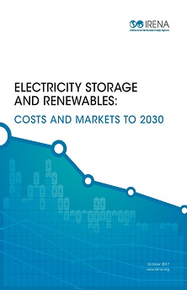

Instructions
Instructions

 |  | The purpose of this tool is to assist you in determining the cost-of-service of different storage technologies.
 |  | This sheet provides step-by-step instruction on how to utilise it.

 |  | Contact information: | costs@irena.org

Disclaimer
This tool is based on data which were compiled from over 150 data sources, supplemented by expert interviews and analysis by IRENA of the latest battery developments.
As a result, this data is a blend of different analytical approaches, including data from: installed projects, regulatory databases, installer surveys, individual projects, bottom-up engineering analyses and learning curve studies.
Given the rapidly changing market place for electricity storage and the difficulty in always obtaining up-to-date data for each technology, the results should be treated with caution.
The methodology of the calculations is explained in Annex 2 of the report which can be downloaded from:
 | http://www.irena.org/DocumentDownloads/Publications/IRENA_Electricity_Storage_Costs_2017.pdf

Step 1
Select the 'Cost of Service' sheet.
Select the storage technology option that you wish to evaluate:

Step 2
Select the Power conversion unit to evaluate:

 |  | Note: After you have changed the energy storage unit choice the first time, you may need to adjust the power conversion unit choice again, from those available in the dropdown.

Step 3
Select the application type to evaluate:

Note: The tool contains 12 predefined storage applications, which can be chosen from this dropdown menu. However, in the 'Applications' sheet, you can modify their parameters.
You can also create new ones (see also "Applications: Modifying parameters or creating new applications" section at the end of this sheet).

Step 4
If available, you can add additional information on local conditions:

 |  | Note: The tool assumes the same value you input would apply for all cases in each period.

Results: Key results
The tool displays results for major calculation steps and also displays a summary of the results as shown below:

Results: Technology Development (Results Summary and Visualisation)
The tool contains charts to visualise the key results and provides a summarized table of cost-of-services estimates for the selected technology and application combination evaluated.

 | You can toggle between the cost-of service type ("electricity" or "power" options). The charts displaying the composition of the annuities (left) and the cost-of-service development will update accordingly.
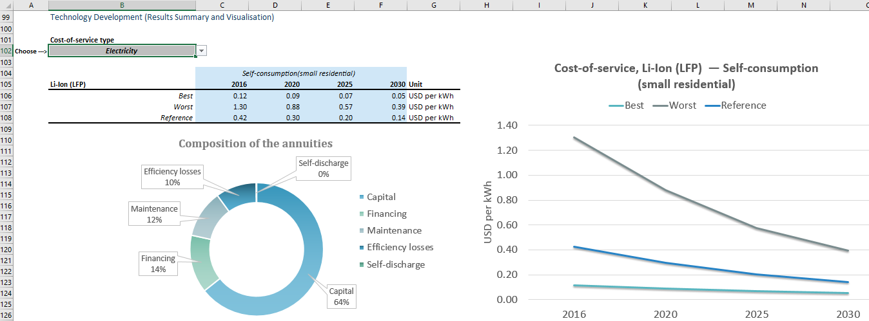

Results: Technology Comparison Chart (to place results of various runs)
The tool provides a section where you can store some of the runs of estimates that you have done and in this way compare different technology options. It also charts these so you can visualise them automatically.

Applications: Modifying parameters or creating new applications
In the 'Applications' sheet, the tool provides a section where you can modify the 12 predefined storage applications altering their key parameters. You also have the option to define your own applications defining them by these parameters.
If you add additional applications to the 'Applications' sheet, they will appear as an option in the 'Cost-of-Service' sheet (see Step 3 of these instructions).
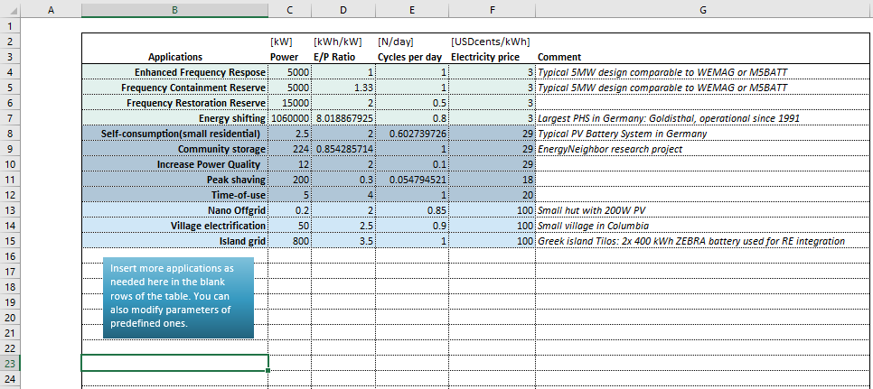

Cost-of-Service
 | Energy Storage Unit | 2016 |  |  | 2020 |  |  | 2025 |  |  | 2030
Choose ---> | Li-Ion (LFP) | best | worst | reference | best | worst | reference | best | worst | reference | best | worst | reference | unit
 | Cycle life | 10000.0 | 1000.0 | 2500.0 | 12030.3 | 1203.0 | 3007.6 | 15157.3 | 1515.7 | 3789.3 | 19097.1 | 1909.7 | 4774.3 | equivalent full-cycles
 | Calendar life | 20.0 | 5.0 | 12.0 | 22.6 | 5.6 | 13.6 | 26.3 | 6.6 | 15.8 | 30.6 | 7.7 | 18.4 | a
 | Depth of discharge | 100.0 | 84.0 | 90.0 | 100.0 | 84.0 | 90.0 | 100.0 | 84.0 | 90.0 | 100.0 | 84.0 | 90.0 | %
 | Round-trip efficiency | 94.0 | 81.0 | 92.0 | 94.5 | 81.4 | 92.5 | 95.1 | 82.0 | 93.1 | 95.7 | 82.5 | 93.7 | %
 | Self-discharge | 0.1 | 0.4 | 0.1 | 0.1 | 0.4 | 0.1 | 0.1 | 0.4 | 0.1 | 0.1 | 0.4 | 0.1 | % per day
 | Energy installation cost | 199.5 | 840.0 | 577.5 | 152.2 | 640.9 | 440.6 | 108.6 | 457.1 | 314.2 | 77.4 | 326.0 | 224.1 | USD / kWh
 | Power installation cost | 0.0 | 0.0 | 0.0 | 0.0 | 0.0 | 0.0 | 0.0 | 0.0 | 0.0 | 0.0 | 0.0 | 0.0 | USD / kW

 | Power Conversion Unit | 2016 |  |  | 2020 |  |  | 2025 |  |  | 2030
Choose ---> | Inverter large | best | worst | reference | best | worst | reference | best | worst | reference | best | worst | reference | unit
 | Calendar life | 25.0 | 12.0 | 15.0 | 25.0 | 13.4 | 16.8 | 25.0 | 15.5 | 19.3 | 25.0 | 17.8 | 22.3 | a
 | Round-trip efficiency | 98.0 | 98.0 | 98.0 | 98.0 | 98.0 | 98.0 | 98.0 | 98.0 | 98.0 | 98.0 | 98.0 | 98.0 | %
 | Energy installation cost | 0.0 | 0.0 | 0.0 | 0.0 | 0.0 | 0.0 | 0.0 | 0.0 | 0.0 | 0.0 | 0.0 | 0.0 | USD / kWh
 | Power installation cost | 73.5 | 189.0 | 105.0 | 59.6 | 153.4 | 85.2 | 45.9 | 118.1 | 65.6 | 35.4 | 91.0 | 50.6 | USD / kW

 | Application | 2016 |  |  | 2020 |  |  | 2025 |  |  | 2030
Choose ---> | Peak shaving | best | worst | reference | best | worst | reference | best | worst | reference | best | worst | reference | unit
 | Power | 200 | 200 | 200 | 200 | 200 | 200 | 200 | 200 | 200 | 200 | 200 | 200 | kW
 | E/P Ratio | 0.30 | 0.30 | 0.30 | 0.30 | 0.30 | 0.30 | 0.30 | 0.30 | 0.30 | 0 | 0 | 0 | h
 | Cycles per day | 0.05 | 0.05 | 0.05 | 0.05 | 0.05 | 0.05 | 0.05 | 0.05 | 0.05 | 0 | 0 | 0 | -
 | Electricity price [USDcents / kWh] | 18 | 18 | 18 | 18 | 18 | 18 | 18 | 18 | 18 | 18 | 18 | 18 | USDcents / kWh

 | Country-specific data | 2016 |  |  | 2020 |  |  | 2025 |  |  | 2030
 | Add additional data below if available | best | worst | reference | best | worst | reference | best | worst | reference | best | worst | reference | unit
 | Maintenance storage system | 1.50% | 1.50% | 1.50% | 1.50% | 1.50% | 1.50% | 1.50% | 1.50% | 1.50% | 1.50% | 1.50% | 1.50% | % of invest per year
 | Maintenance power conversion unit | 1.50% | 1.50% | 1.50% | 1.50% | 1.50% | 1.50% | 1.50% | 1.50% | 1.50% | 1.50% | 1.50% | 1.50% | % of invest per year
 | Interest rate | 3.00% | 3.00% | 3.00% | 3.00% | 3.00% | 3.00% | 3.00% | 3.00% | 3.00% | 3.00% | 3.00% | 3.00% | %
 | Other fixed costs (upfront) | 0 | 0 | 0 | 0 | 0 | 0 | 0 | 0 | 0 | 0 | 0 | 0 | USD
 | Other fixed costs (yearly) | 0 | 0 | 0 | 0 | 0 | 0 | 0 | 0 | 0 | 0 | 0 | 0 | USD per year

 | Calculations | 2016 |  |  | 2020 |  |  | 2025 |  |  | 2030
 |  | best | worst | reference | best | worst | reference | best | worst | reference | best | worst | reference | unit
 | Energy Storage Unit
 | Installed Storage Power | 200.0 | 200.0 | 200.0 | 200.0 | 200.0 | 200.0 | 200.0 | 200.0 | 200.0 | 200.0 | 200.0 | 200.0 | kW
 | Usable Storage Capacity | 60.0 | 60.0 | 60.0 | 60.0 | 60.0 | 60.0 | 60.0 | 60.0 | 60.0 | 60.0 | 60.0 | 60.0 | kWh
 | Installed Storage Capacity | 60.0 | 71.4 | 66.7 | 60.0 | 71.4 | 66.7 | 60.0 | 71.4 | 66.7 | 60.0 | 71.4 | 66.7 | kWh
 | Lifetime in application | 20.0 | 5.0 | 12.0 | 22.6 | 5.6 | 13.6 | 26.3 | 6.6 | 15.8 | 30.6 | 7.7 | 18.4 | a
 | Total Storage Invest | 11970.0 | 60000.0 | 38500.0 | 9133.5 | 45781.7 | 29376.6 | 6513.4 | 32648.8 | 20949.7 | 4645.0 | 23283.3 | 14940.1 | USD
 | Annuities Energy Storage Unit | 781.1 | 12719.7 | 3755.1 | 546.1 | 8672.7 | 2591.8 | 351.0 | 5382.4 | 1636.5 | 227.1 | 3347.5 | 1038.1 | USD
...
 | Calculations -key results | 2016 |  |  | 2020 |  |  | 2025 |  |  | 2030
 | Levelised cost-of-service | best | worst | reference | best | worst | reference | best | worst | reference | best | worst | reference | unit
 | Cost per kW storage system per year [USD] | 10.114 | 89.733 | 31.917 | 7.740 | 63.085 | 22.916 | 5.591 | 40.855 | 15.254 | 4.077 | 26.660 | 10.239 | USD
 | Cost per kWh stored electricity [USD] | 1.686 | 14.955 | 5.320 | 1.290 | 10.514 | 3.819 | 0.932 | 6.809 | 2.542 | 0.679 | 4.443 | 1.707 | USD

 | Technology Development (Results Summary and Visualisation)

Cost-of-service, Li-Ion (LFP) — Peak shaving
 | Cost-of-service type
Choose ---> | Power

 |  | Peak shaving |  |  |  |  |  |  | Suitable: | OK | 1 | 1 | 1 | 1 | 1 | 1 | 1 | 1
 | Li-Ion (LFP) | 2016 | 2020 | 2025 | 2030 | Unit |  | Cost-of-service, Li-Ion (LFP) — Peak shaving | Validity check: | OK | 1 | 1 | 1
 | Best | 10.114 | 7.740 | 5.591 | 4.077 | USD per kW
 | Worst | 89.733 | 63.085 | 40.855 | 26.660 | USD per kW
 | Reference | 31.917 | 22.916 | 15.254 | 10.239 | USD per kW
Composition of the annuities
Capital | 4608.3
Financing | 854.7
Maintenance | 892.5
Efficiency losses | 23.6
Self-discharge | 4.4

 | Technology Comparison Chart (to place results of various runs)

 | 1. Current selected reference case values are shown below
Cost-of-service — Comparison
 | Flywheel | Li-Ion (LFP) | NaS
2016 | 123.18 | 31.92 | 20.21
2020 | 96.76 | 22.92 | 15.17
2025 | 78.46 | 15.25 | 10.65
2030 | 64.00 | 10.24 | 7.53
 |  | 2016 | 2020 | 2025 | 2030 | Unit
 | Li-Ion (LFP) | 31.917 | 22.916 | 15.254 | 10.239 | USD per kW

 | 2. You can copy results into table to form your own calculations history that will be displayed in the chart to the right

 | Peak shaving | 2016 | 2020 | 2025 | 2030 | Unit |  |  |  |  | Validity check: | OK
 | Flywheel | 123.18 | 96.76 | 78.46 | 64.00 | USD per kW
 | Li-Ion (LFP) | 31.92 | 22.92 | 15.25 | 10.24 | USD per kW
 | NaS | 20.21 | 15.17 | 10.65 | 7.53 | USD per kW

Applications
...
 | [kW] | [kWh/kW] | [N/day] | [USDcents/kWh]
Frequency Restoration Reserve | 15000 | 2 | 0.5 | 3
Energy shifting | 1060000 | 8.0188679245 | 0.8 | 3 | Largest PHS in Germany: Goldisthal, operational since 1991
Self-consumption (small residential) | 2.5 | 2 | 0.60273972603 | 29 | Typical PV Battery System in Germany
Community storage | 224 | 0.85428571429 | 1 | 29 | EnergyNeighbor research project
Increase Power Quality | 12 | 2 | 0.1 | 29
Peak shaving | 200 | 0.3 | 0.054794520548 | 18
Time-of-use | 5 | 4 | 1 | 20
Nano Offgrid | 0.2 | 2 | 0.85 | 100 | Small hut with 200W PV
Village electrification | 50 | 2.5 | 0.9 | 100 | Small village in Columbia
Island grid | 800 | 3.5 | 1 | 100 | Greek island Tilos: 2x 400 kWh ZEBRA battery used for RE integration
Insert more applications as needed here in the blank rows of the table. You can also modify parameters of predefined ones.

